Slide_3
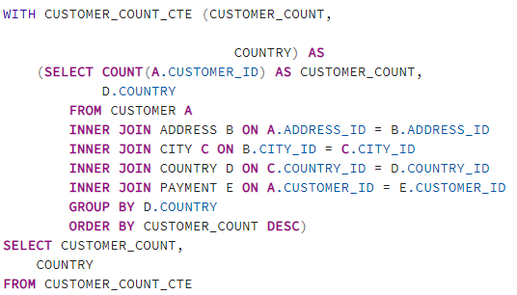
customer_count | country
1422 | India
1297 | China
869 | United States
749 | Japan
718 | Mexico
681 | Brazil
638 | Russian Federation
530 | Philippines
351 | Turkey
331 | Indonesia
320 | Argentina
308 | Nigeria
290 | Taiwan
254 | South Africa
204 | United Kingdom
204 | Iran
184 | Poland
176 | Germany
174 | Italy
157 | Venezuela

Slide_4
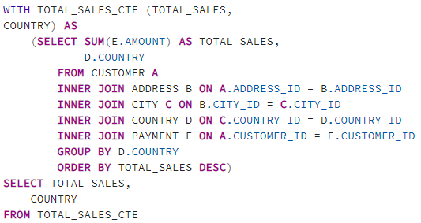
country | total_payment
India | 6034.78
China | 5251.03
United States | 3685.31
Japan | 3122.51
Mexico | 2984.82
Brazil | 2919.19
Russian Federation | 2765.62
Philippines | 2219.7
Turkey | 1498.49
Indonesia | 1352.69
Nigeria | 1314.92
Argentina | 1298.8
Taiwan | 1155.1
South Africa | 1069.46
Iran | 877.96
United Kingdom | 850.96
Poland | 786.16
Italy | 753.26
Germany | 741.24
Vietnam | 676.45

Slide_5
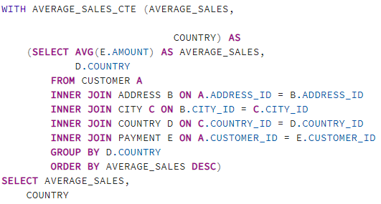
country | average_payment
Nepal | 5.5194117647
French Guiana | 4.89
Turkmenistan | 4.8746153846
Kenya | 4.8135294118
Nauru | 4.79
Armenia | 4.75
Czech Republic | 4.74
Runion | 4.7011111111
Chile | 4.5960606061
Ukraine | 4.5954421769
Holy See (Vatican City State) | 4.58375
Yugoslavia | 4.5782352941
Paraguay | 4.5566666667
Bahrain | 4.5316666667
Colombia | 4.5310958904
Malawi | 4.5085185185
Ecuador | 4.502195122
Greece | 4.4465217391
Yemen | 4.4292523364
Madagascar | 4.4185714286

Slide_7
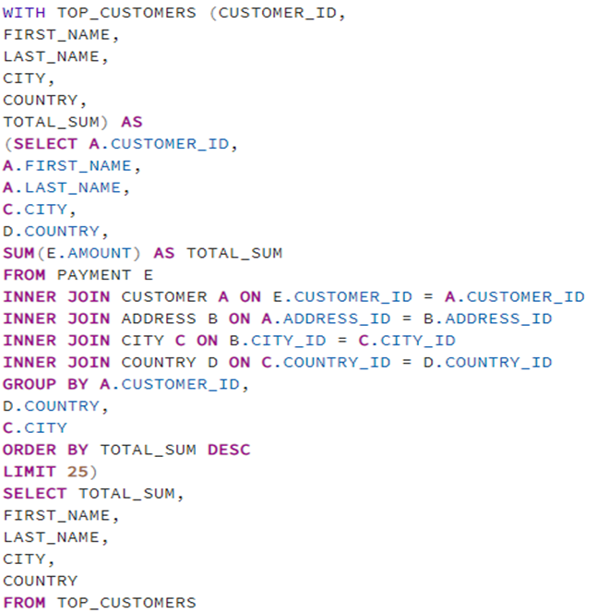
first_name | last_name | payment | city | country
Eleanor | Hunt | 211.55 | Saint-Denis | Runion
Karl | Seal | 208.58 | Cape Coral | United States
Marion | Snyder | 194.61 | Santa Brbara dOeste | Brazil
Rhonda | Kennedy | 191.62 | Apeldoorn | Netherlands
Clara | Shaw | 189.6 | Molodetno | Belarus
Tommy | Collazo | 183.63 | Qomsheh | Iran
Ana | Bradley | 167.67 | Memphis | United States
Curtis | Irby | 167.62 | Richmond Hill | Canada
Marcia | Dean | 166.61 | Tanza | Philippines
Mike | Way | 162.67 | Valparai | India
Arnold | Havens | 161.68 | Santa Rosa | Philippines
Wesley | Bull | 158.65 | Ourense (Orense) | Spain
Gordon | Allard | 157.69 | Hodeida | Yemen
Louis | Leone | 156.66 | Tanauan | Philippines
Lena | Jensen | 154.7 | Halisahar | India
Tim | Cary | 154.66 | Bijapur | India
Warren | Sherrod | 152.69 | Usolje-Sibirskoje | Russian Federation
Steve | Mackenzie | 152.68 | Probolinggo | Indonesia
Brittany | Riley | 151.73 | Sumy | Ukraine
Guy | Brownlee | 151.69 | Zhoushan | China
June | Carroll | 151.68 | Skikda | Algeria
Neil | Renner | 149.69 | Cam Ranh | Vietnam
Tammy | Sanders | 149.61 | Changhwa | Taiwan
Tonya | Chapman | 147.71 | Bhilwara | India
Jacqueline | Long | 146.68 | Songkhla | Thailand

Slide_8
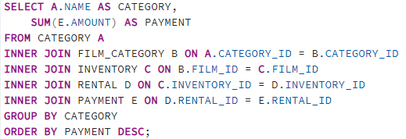
category | payment
Sports | 4892.19
Sci-Fi | 4336.01
Animation | 4245.31
Drama | 4118.46
Comedy | 4002.48
New | 3966.38
Action | 3951.84
Foreign | 3934.47
Games | 3922.18
Family | 3782.26
Documentary | 3749.65
Horror | 3401.27
Classics | 3353.38
Children | 3309.39
Travel | 3227.36
Music | 3071.52
Thriller | 47.89
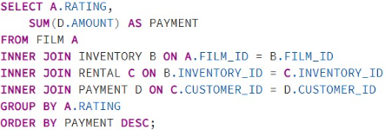
rating | payment
PG-13 | 381421.55
NC-17 | 347723.95
PG | 342988.86
R | 339196.28
G | 294216.21

